KKO
KAJIAN KELAYAKAN OPERASI

DAYA LAMA |  |  |  | DAYA BARU
Nama Pelanggan | : | ERINDO JAYA MANUNGGAL |  | Nama Pelanggan | : | ERINDO JAYA MANUNGGAL
Daya Lama (VA) | : | 0 |  | Daya Baru (VA) | : | 53000
Jumlah Fasa | : | 1 | * | Jumlah Fasa | : | 3
Tegangan Sekunder Pengukuran rata-rata (Fasa-Netral) (V) | : | 220 | * | Tegangan Sekunder Pengukuran rata-rata (Fasa-Netral) (V) | : | 380 | DC MGN01-67 MGN06-73
Beban Pelanggan (A) | : | 0.00 |  | Beban Pelanggan (A) | : | 80.53

SUPLAI TRAFO EKSISTING |  |  |  | SUPLAI TRAFO RENCANA
Nomor Tiang | : | MGN06-357A |  | Nomor Tiang | : | MGN06-357A
Penyulang | : | MGN 06 |  | Penyulang | : | MGN 06
Daya | : | 50 | * | Daya | : | 50
Jumlah Fasa | : | 3 | * | Jumlah Fasa | : | 3
Beban TRAFO (Pengukuran Lapangan) |  | 54 |  | Beban TRAFO | : | 80.53
Beban Primer | : | 1.44 | * | Beban Primer | : | 1.44
Beban Sekunder | : | 75.97 | * | Beban Sekunder | : | 75.97
Beban (A) | : | #VALUE! |  | Beban (A) | : | #VALUE!
Prosentase Pembebanan | : | 71% |  | Beban (A) | : | 106%
 | 106% | 100%
Prosentase Pembebanan | : | 100% |  | Beban (A) | : | 100%

DATA





DATA
Tahun | : | 2022
Discount Rate | : | 12%
Transfer price TM | : | 1,084 |  | Marginal COST maret 2022
Umur ekonomis (tahun) | : | 25.00
Selisih Susut Teknis | : | 2.25%
∑ Daya | : | 53
BP (Rp) | : | 49,661,000
RAB (Rp) | : | 99,329,321
Biaya O&M (2% invest) | : | 1,986,586.42

Nama Pelanggan | : | ERINDO JAYA MANUNGGAL | *
Golongan Pelanggan | : | B2 | *
Jenis Layanan | : | REGULER | *
Daya Lama (kVA) | : | - | *
Daya Baru (kVA) | : | 53 | * |  | ,
Tarif WBP (Rp/kWh) | : | 1,447.00 | *
Tarif LWBP (Rp/kWh) | : | 1,447.00 | *
BP (Rp/VA) TR | : | 937 | *
Jam Nyala | : | 40 | *

RAB
 |  | PT. PLN ( PERSERO )
 |  | UNIT INDUK DISTRIBUSI JAWA TENGAH & DI YOGYAKARTA |  |  |  |  |  |  |  |  |  | RAB TOTAL
 |  | UP3 DEMAK |  |  |  |  |  |  |  |  | RAB TOTAL | RAB NON MDU
 | RENCANA ANGGARAN BIAYA (RAB)

 |  |  |  | Pekerjaan | : | PB 53KVA ERINDO JAYA MANUNGGAL
 |  |  |  | Lokasi | : | JL. SEMARANG - PURWODADI GUBUG
 |  |  |  | Pelaksana | : | PT. PLN (PERSERO) UP3 DEMAK
 |  |  |  | Anggaran | : | SAR 2023

Note !! 1. Saat Pengisian Uraian di mohon memasukan nama material sesuai dengan nama material di harga satuan
2. Mohon di cek kembali saat pengisian volume material
3. Untuk program Sarana Penunjang Fungsi tidak perlu SLO.
 | NO | URAIAN | GOL | SAT | VOL | HARGA SATUAN | BIAYA YANG DIPERLUKAN ( Rp )
 |  |  |  |  |  |  | MDU | HARDWARE | JASA | JUMLAH

#REF! | A | PEMASANGAN TIANG |  |  |  | 0 | 0 | 0 | 0 | 0
#REF! |  |  |  |  |  | 0 | 0 | 0 | 0 | 0
#REF! | + | Tiang Beton 9M-200 daN+E | HDW | Unit | 1 | 3,382,600 | 0 | 3,382,600 | 0 | 3,382,600
#REF! | + | Penomoran Tiang | JASA | Unit | 1 | 10,067 | 0 | 0 | 10,067 | 10,067
#REF! | + | Penghalang Panjat dan Papan Peringatan | HDW | Unit | 2 | 200,000 | 0 | 400,000 | 0 | 400,000
#REF! | + | Upah Pasang Tiang Beton 9M-200 daN+E | JASA | Unit | 1 | 542,850 | 0 | 0 | 542,850 | 542,850
#REF! |  |  |  |  |  | 0 | 0 | 0 | 0 | 0
#REF! | B | PEKERJAAN PEMASANGAN KONSTRUKSI TM |  |  |  | 0 | 0 | 0 | 0 | 0
 |  |  |  |  |  | 0 | 0 | 0 | 0 | 0
#REF! | + | Trafo 3 Fasa 50 KVA 1 Tiang (G312-A) |  | Unit | 1 | 0 | 0 | 0 | 0 | 0
#REF! | 1 | Trafo 3 phasa 50 kVA YNyn0 | MDU-KD | Bh | 1 | 42,757,200 | 42,757,200 | 0 | 0 | 42,757,200
#REF! | 2 | Jumper Wire : |  |  |  | 0 | 0 | 0 | 0 | 0
1 |  | AAAC 70 mm² | MDU-KD | Mtr | 9 | 14,200 | 127,800 | 0 | 0 | 127,800
1 |  | NFA2X-T 3x70+1x70 | MDU-KD | Mtr | 3 | 54,500 | 163,500 | 0 | 0 | 163,500
1 | 3 | Lightning Arester (Polymer) 21 KV, 10 KA | MDU-KD | Bh | 3 | 725,900 | 2,177,700 | 0 | 0 | 2,177,700
#REF! | 4 | FCO Polymer | MDU-KD | Bh | 3 | 848,250 | 2,544,750 | 0 | 0 | 2,544,750
#REF! | 5 | Fuse Link 4 A | HDW | Bh | 3 | 17,500 | 0 | 52,500 | 0 | 52,500
1 | 6 | Sepatu Kabel AL/CU kepala 70 | HDW | Bh | 13 | 73,300 | 0 | 952,900 | 0 | 952,900
1 | 7 | Bolt Machine / Bolt cariage ½" x ¾" | HDW | Bh | 22 | 7,938 | 0 | 174,636 | 0 | 174,636
1 | 8 | Bracket band segment,vertikal plat ( Hot dip galvanis ) | HDW | Bh | 1 | 404,600 | 0 | 404,600 | 0 | 404,600
#REF! | 9 | Compresion Conector H type 70 mm² / 70 mm² | HDW | Bh | 3 | 15,900 | 0 | 47,700 | 0 | 47,700
 | 10 | Cross Arm Steel 1.500 mm ( UNSP 10 ) galvanis | HDW | Bh | 5 | 283,100 | 0 | 1,415,500 | 0 | 1,415,500
#REF! | 11 | Cross Arm Steel 2.000 mm ( UNSP 10 ) galvanis | HDW | Bh | 4 | 380,500 | 0 | 1,522,000 | 0 | 1,522,000
#REF! | 12 | Hot Line Clamp ( 150mm² s/d 240 mm² ) | HDW | Bh | 3 | 173,400 | 0 | 520,200 | 0 | 520,200
#REF! | 13 | Pole Band Single Rack 7" atau 7 ½" | HDW | Bh | 1 | 57,690 | 0 | 57,690 | 0 | 57,690
#REF! | 14 | Pole Band Double Rack 8" atau 8 ½" | HDW | Bh | 2 | 67,500 | 0 | 135,000 | 0 | 135,000
#REF! | 15 | Steel L 70 x 70 x 7 x 780 mm galvanis | HDW | Bh | 2 | 129,000 | 0 | 258,000 | 0 | 258,000
#REF! | 16 | Steel L 70 x 70 x 7 x 1.682 mm galvanis | HDW | Bh | 4 | 250,000 | 0 | 1,000,000 | 0 | 1,000,000
 | 17 | Upah Pasang Trafo 3 Fasa 50 KVA 1 Tiang | JASA | Unit | 1 | 1,182,800
#REF! |  |  |  |  |  | 0 | 0 | 0 | 0 | 0
#REF! | + | CM2-12 |  | Unit | 2 | 0 | 0 | 0 | 0 | 0
#REF! | 1 | Bimetalic Connector 35 - 240 mm² | HDW | Bh | 2 | 47,459 | 0 | 94,918 | 0 | 94,918
#REF! | 2 | Ground wire Cu 16 mm² | HDW | Mtr | 1.6 | 30,000 | 0 | 48,000 | 0 | 48,000
#REF! | 3 | Ground rod & Washer | HDW | Bh | 2 | 9,500 | 0 | 19,000 | 0 | 19,000
#REF! | 4 | Upah Pasang Acc.Jar M2-12 | JASA | Unit | 2 | 16,200 | 0 | 0 | 32,400 | 32,400
#REF! |  |  |  |  |  | 0 | 0 | 0 | 0 | 0
#REF! | + | CM2-11M |  | Unit | 3 | 0 | 0 | 0 | 0 | 0
#REF! | 1 | Ground rod ⅝" x 8" Copper Weld | HDW | Bh | 3 | 185,200 | 0 | 555,600 | 0 | 555,600
#REF! | 2 | Bimetalic Connector 35 - 240 mm² | HDW | Bh | 3 | 47,459 | 0 | 142,377 | 0 | 142,377
v | 3 | Clamp Ground Rod ⅝" | HDW | Bh | 3 | 4,880 | 0 | 14,640 | 0 | 14,640
 | 4 | Ground wire Cu 16 mm² | HDW | Mtr | 30 | 30,000 | 0 | 900,000 | 0 | 900,000
v | 5 | Ground rod & Washer | HDW | Bh | 6 | 9,500 | 0 | 57,000 | 0 | 57,000
#REF! | 6 | Pipa PVC ½" | HDW | Bh | 16.5 | 6,100 | 0 | 100,650 | 0 | 100,650
v | 7 | Stopping Buckle / Yokes | HDW | Bh | 18 | 2,300 | 0 | 41,400 | 0 | 41,400
#REF! | 8 | Stainless Steel Strap 20 X 0.7 mm | HDW | Mtr | 14.4 | 23,310 | 0 | 335,664 | 0 | 335,664
 | 9 | Upah Pasang Acc.Jar M2-11M | JASA | Unit | 3 | 65,400 | 0 | 0 | 196,200 | 196,200
#REF! |  |  |  |  |  | 0 | 0 | 0 | 0 | 0
v | + | SJ6 |  | Unit | 3 | 0 | 0 | 0 | 0 | 0
#REF! | 1 | Armour Tape ¼" wide | HDW | Mtr | 3 | 7,789 | 0 | 23,367 | 0 | 23,367
v | 2 | Clevis Swinging Secondary | HDW | Bh | 3 | 15,500 | 0 | 46,500 | 0 | 46,500
#REF! | 3 | Loop Dead End Clamp / LC ( 35 s/d 240 ) mm² | HDW | Bh | 6 | 29,600 | 0 | 177,600 | 0 | 177,600
#REF! | 4 | Oval Eye Nut ⅝" | HDW | Bh | 3 | 23,936 | 0 | 71,808 | 0 | 71,808
v | 5 | Pole Band Single Rack 7" atau 7 ½" | HDW | Bh | 3 | 57,690 | 0 | 173,070 | 0 | 173,070
#REF! | 6 | Spool Insulator ANSI 53 - 4 | HDW | Bh | 3 | 33,502 | 0 | 100,506 | 0 | 100,506
v | 7 | Upah Pasang Konst. JTR J6 | JASA | Unit | 3 | 35,700 | 0 | 0 | 107,100 | 107,100
#REF! |  |  |  |  |  | 0 | 0 | 0 | 0 | 0
#REF! | 1 | Cover Bushing Arrester | HDW | Bh | 3 | 85,000 | 0 | 255,000 | 0 | 255,000
#REF! | 2 | Upah Pemasangan Cover Bushing Arrester | JASA | Set | 3 | 15,000 | 0 | 0 | 45,000 | 45,000
#REF! | 3 | Cover Bushing Trafo | HDW | Bh | 3 | 105,000 | 0 | 315,000 | 0 | 315,000
v | 4 | Upah Pemasangan Cover Bushing Trafo | JASA | Unit | 3 | 15,000 | 0 | 0 | 45,000 | 45,000
v | 5 | Cover Bushing FCO | HDW | Bh | 3 | 180,000 | 0 | 540,000 | 0 | 540,000
#REF! | 6 | Upah Pemasangan Cover Bushing FCO | JASA | Set | 3 | 15,000 | 0 | 0 | 45,000 | 45,000
#REF! |  |  |  |  |  | 0 | 0 | 0 | 0 | 0
#REF! | C | PEKERJAAN PEMASANGAN KONDUKTOR |  |  |  | 0 | 0 | 0 | 0 | 0
#REF! | + | NFA2X-T 3x70+1x70 | MDU-KD | Unit | 100 | 54,500 | 5,450,000 | 0 | 0 | 5,450,000
v | + | Upah Pasang Penghantar TR LVTC 3x70 + 1x50mm² | JASA | Unit | 2 | 223,500 | 0 | 0 | 447,000 | 447,000
v |  |  |  |  |  | 0 | 0 | 0 | 0 | 0
#REF! | D | PEKERJAAN PEMASANGAN APP |  |  |  | 0 | 0 | 0 | 0 | 0
v | + | Daya 53.000 VA |  | Unit | 1 | 0 | 0 | 0 | 0 | 0
v | 1 | KWH Elektronik; 3P; 4W; 220/380V; 5(10); kls 1 (Pengukuran Tidak Langsung) | MDU-KD | Bh | 1 | 1,504,200 | 1,504,200 | 0 | 0 | 1,504,200
#REF! | 2 | Smart Box Tidak Langsung Daya 53 kVA MCCB 80 A | MDU-KD | Unit | 1 | 13,644,300 | 13,644,300 | 0 | 0 | 13,644,300
v | 3 | Modem 3G/4G | HDW | Unit | 1 | 1,113,900 | 0 | 1,113,900 | 0 | 1,113,900
v | 4 | NFA2X-T 3x70+1x70 | MDU-KD | Mtr | 35 | 54,500 | 1,907,500 | 0 | 0 | 1,907,500
#REF! | 5 | Upah Pasang SR + APP 3 Fasa | JASA | Unit | 1 | 106,400 | 0 | 0 | 106,400 | 106,400
v |  |  |  |  |  | 0 | 0 | 0 | 0 | 0
 |  |  |  |  |  | 0 | 0 | 0 | 0 | 0
#REF! | E | PEMBONGKARAN |  |  |  | 0 | 0 | 0 | 0 | 0
#REF! |  |  |  |  |  | 0 | 0 | 0 | 0 | 0
 |  |  |  |  |  | 0 | 0 | 0 | 0 | 0
 |  | SLO |  |  |  | 0 | 0 | 0 | 0 | 0
 | 1 | Sertifikasi Laik Operasi | JASA | Lot | 1 | 2.5% |  |  | 2,182,582 | 2,182,582
 |  |  |  |  |  |  | 0 | 0 | 0 | 0

 |  | Jumlah MDU - Hardware - Jasa |  |  |  | : | 70,276,950 | 15,449,326 | 3,759,599 | 89,485,875
 |  | PPN 11% |  |  |  | : | 7,730,465 | 1,699,426 | 413,556 | 9,843,446
 |  | Jumlah Total |  |  |  | : | 78,007,415 | 17,148,751 | 4,173,155 | 99,329,321
 | Terbilang : Sembilan Puluh Sembilan Juta Tiga Ratus Dua Puluh Sembilan Ribu Tiga Ratus Dua Puluh Satu Rupiah

 | Harga yang dipakai adalah RAB HSS 2023

 |  |  |  |  |  |  |  | Tegowanu, Nopember 2023
 |  |  |  |  |  |  |  | MANAGER ULP TEGOWANU

 |  |  |  |  |  |  |  | HARY PRATAMA

GAMBAR
 |  |  |  |  | PT. PLN (PERSERO) UP3 DEMAK
Hasil Ukur Trafo 3 Ph 50 KVA ( X ) di SYG5-206A/4
 | X0 | X1 | X2 | X3 | Keterangan Gambar :
SIANG |  |  |  |  | No | Nama Material |  |  | Baru |  | Eksisting
s
s
MALAM |  |  |  |  | 1 | Tiang Beton
 |  |  |  |  | 2 | Tiang Besi
B2-6/J/7
1C9-200
1CJ6-T
1MJ6-T
1CM2-11
1CM2-12A
1CE1-2
1F1-2
 |  |  |  |  | 3 | JTM 3 Fasa
 |  |  |  |  | 4 | JTM 1 Fasa
 |  |  |  |  | 5 | JTR 1 Fasa Only / UB
 |  |  |  |  | 6 | JTR 3 Fasa Only / UB
 |  |  |  |  | 7 | Trafo 1 Fasa
 |  |  |  |  | 8 | Trafo 3 Fasa
 |  |  |  |  | 9 | Fuse Cut Out
DC MGN06-357A
1 C9-200 E
2 SJ6
1MJ6-T
1CM2-12 1 CM2-11M
 |  |  |  |  | 10 | ABSW
 |  |  |  |  | 11 | Vang Net
 |  |  |  |  | 12 | Schoor
 |  |  |  |  | 13

 |  |  |  |  | Bongkar Pasang Konstruksi :
 |  |  |  |  | Pasang |  |  |  | Bongkar
 |  |  |  |  | CG-312A 50 KVA |  | U | 1
 |  |  |  |  | SJ6 |  | U | 3
SR APP 3 PH 53 KVA PASKA
LVTC 3X70+N70 mm2 = 100M
A
 |  |  |  |  | APP 53KVA |  | U | 1
 |  |  |  |  | CM2-11M |  | U | 2
37 m
37 m
 |  |  |  |  | LVTC 3X70+70 |  | MTR | 100
 |  |  |  |  | C9-200E |  | BTG | 1
 |  |  |  |  | CC7 |  | U | 0
 |  |  |  |  | CC8-AN |  | U | 0
 |  |  |  |  | CM5-5 |  | U | 0
DC MGN 06 - 357
A
A
 |  |  |  |  | CM2-12 |  | U | 2
APP
APP
 |  |  |  |  | CM2-12A |  | U | 0
DC MGN06-357
1 CG312A 50KVA
1 SJ6
1 CM2-12 2 CM2-11M
 |  |  |  |  | CE1-2 |  | U | 0
 |  |  |  |  | F1-3 |  | U | 0
s
s
 |  |  |  |  | CM8-A1 |  | U | 0
2 CJ6-T
2 CJ6-T
50M
 |  |  |  |  | NYY 1X70 mm2 |  | MTR | 0
s
s
 |  |  |  |  | CCO 70-70 |  | BH | 0
100KVA
 |  |  |  |  | CCO 240-70 |  | BH | 3
 |  |  |  |  | CCO 150-70 |  | BH | 1
 |  |  |  |  | AAAC 70 mm2 |  | MTR | 10
50KVA
 |  |  |  |  | SR APP 3 PH |  | U | 1
 |  |  |  |  | Keterangan Tambahan : -7.052189,110.6623023

 |  |  |  |  | Golongan
 |  |  |  |  | No. Gambar |  | 1 |  |  | Lembar |  | dr
 |  |  |  |  | Gambar dari |  |  |  |  | Skala
 |  |  |  |  | Perihal:
 |  |  |  |  | PB 53 KVA ERINDO JAYA MANUNGGAL
 |  |  |  |  | JL. SEMARANG - PURWODADI GUBUG

 |  |  |  |  | Digambar |  | Staf Teknik
 |  |  |  |  | Diperiksa |  | TL. Teknik
 |  |  |  |  | Diketahui |  | Manager ULP
 |  |  |  |  | Disetujui |  | Man. Perencanaan

PETA
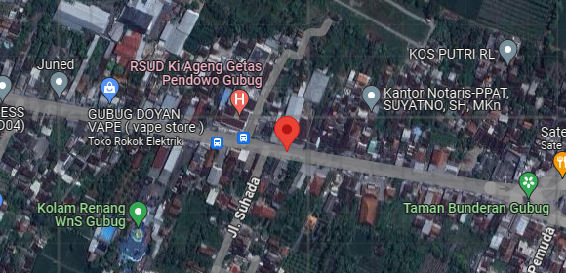
PETA LOKASI PELANGGAN

KOORDINAT LOKASI : -7.052189,110.6623023

SLD
SINGLE LINE DIAGRAM LOKASI PELANGGAN

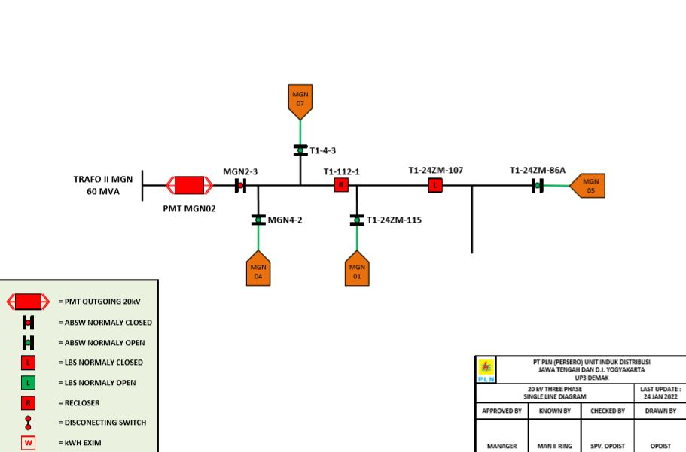

Lokasi Perumahan
PUTRA WAHID

